Instructions 1
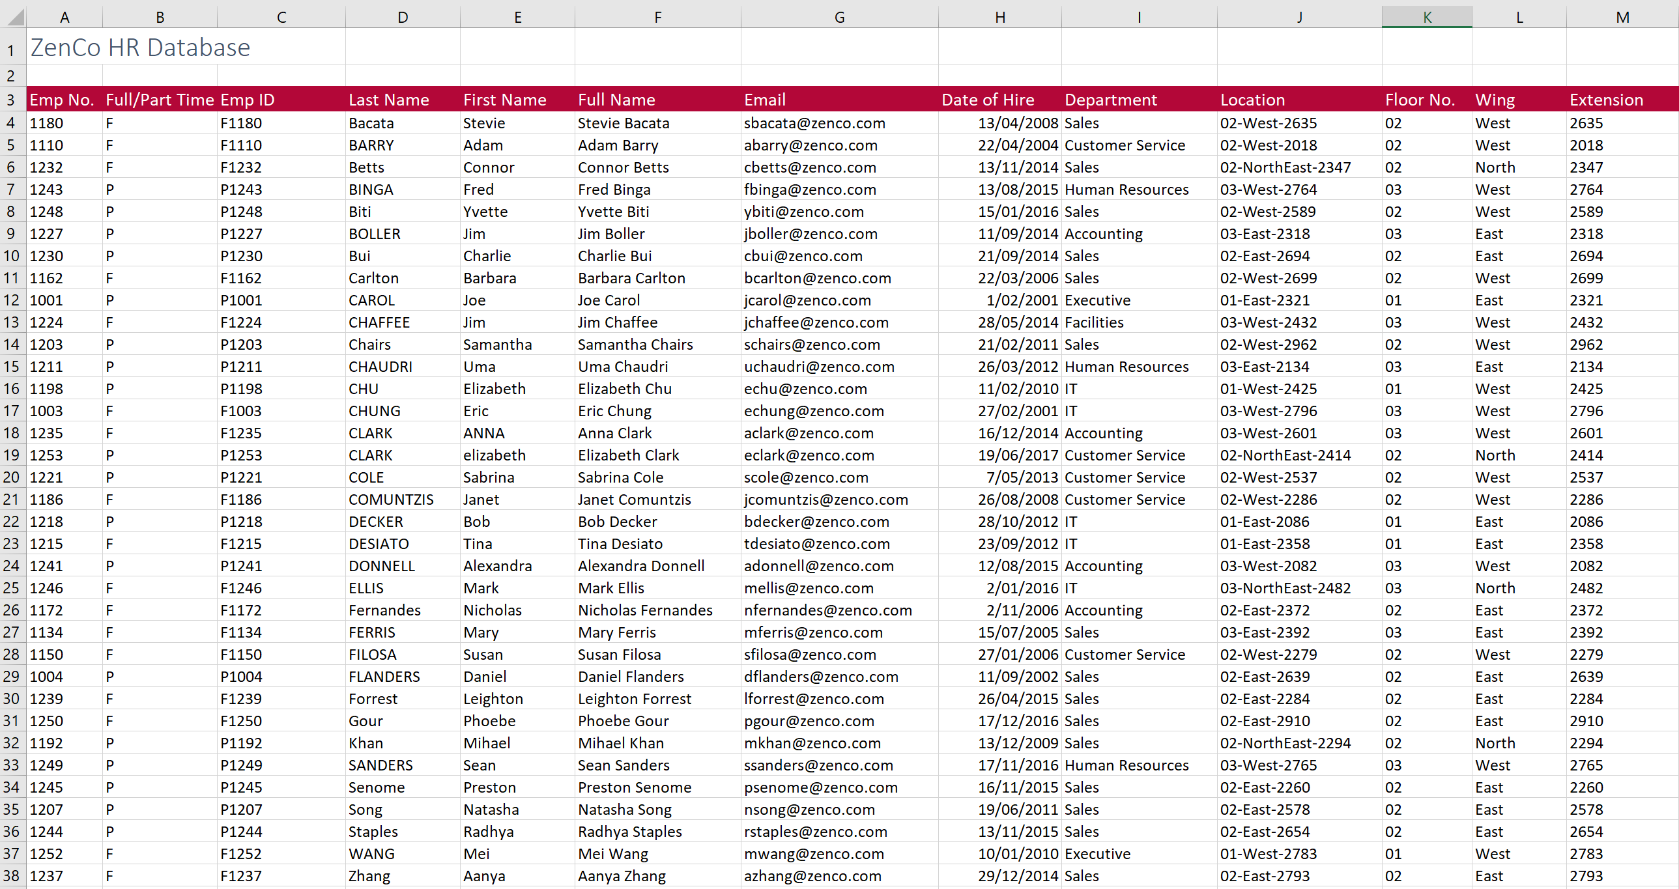

 |  | Excel Skills for Data Analytics and Visualization
 |  | Course 1 — Excel Fundamentals for Data Analysis

 |  | Week 1 Practice Challenge

Instructions
All the following instructions are to be carried out in the HR Data sheet. To get help with the more difficult questions click on the Hint to the right.

1) | In C4, in the HR Data sheet join the data in A4 and B4 to create the employee ID F1180. Copy the formula down for the rest of the staff.

2) | In K4, extract just the floor number from J4 (first 2 numbers) and then copy it down.

3a) | In F4, generate the full name for each staff member by joining the first name, a space and the surname.
b) | Add another function to the calculation in F4 so that all the names show in Proper case and then copy the calculation down.

4a) | In G4, generate an email address by joining the first letter of the first name, the surname and "@zenco.com" to get Sbacata@zenco.com. |  | Hint
b) | Adjust the calculation in G4 so that the email is shown in all lower case and copy it down.

5a) | In L4, extract the text between the two dashes (West) in Location then copy down to make sure it works for all staff. |  | Hint
b) | Adjust the formula in L4 so that all instances of NorthEast are replaced with just North and copy down again.

6a) | In M4, extract the last 4 characters from the Location in J4.
b) | You will notice that instead of getting four numbers you only got 3 or in some cases 2, adjust the formula so that you get the 4 digit extension code in each case. |  | Hint

The finished sheet should look like this:

Instructions 2

 |  | Excel Skills for Data Analytics and Visualization
 |  | Course 1 — Excel Fundamentals for Data Analysis

 |  | Week 3 Practice Challenge

Instructions
All the following instructions are to be carried out in the HR Analytics sheet. For keyboard shortcuts and help click on the Tips and Hints to the right.

1a) | Use the Name Box to change the name of cell G2 to Overtime.
b) | In G5 calculate the overtime rate by multiplying the Hourly Rate by Overtime. Copy the formula down.

2) | Use Create from Selection to name each of the columns of employee data. |  | Tip

3) | In J2 calculate the total number of Days Sick (try typing the name rather than selecting the data).

4a) | Open the Name Manager and create a new constant called Leave_Allowance with the value 20.
b) | In J5 calculate how much leave is still available by subtracting Leave Taken from Leave Allowance. Copy Down.

5 | Use Create from Selection to name the list of departments in column M.

6a) | Go to the Name Box and select Department to highlight the staff department data.
b) | Apply Data Validation to the column so that each cell gets a drop down list of valid departments. (Make sure to use Departments not Department) |  | Tip

7) | In N5 calculate the total leave available in the Accounting department. Copy Down. |  | Hint

8) | In O5 calculate the average Hourly Rate for staff who are Part Time and in the Accounting Department (i.e. 2 criteria M5 and O4). |  | Hint
 | Apply appropriate cell referencing to M5 and O4 so that the formula can be dragged down and then across.

Below is a snapshot of the answers you should get in the first 10 rows:

